JS and Phaser
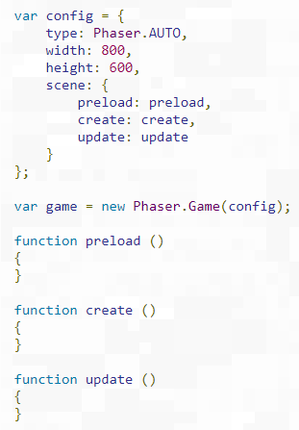
Kí túc | Bảo vệ | Có thể truyền bất kì param nào mà ko cần khai báo

Core Game
start.js |  |  | Config

root
 | Boot.js |  |  | -> Boot scene > first scene (Background) loading game
 | MainMenu.js |  |  | -> Menu scene
 | phaser.3.22.min.js
Preloader
 | Preloader.js |  |  | -> First scene load data from menu scene
Boot
 | Settings.js |  |  | -> Settings sence
 | start.js |  |  | -> Starting for all: Config game |  | call sw.js
 | Story.js
Main menu
 | sw.js |  |  | -> Service worker: | fetch all file media link
 | utils.js |  |  | -> play audio/ scene/ language
 |  | EPT.Sfx

game
 | Setting
 |  | _initSetting.js
 | CuteGirl.js
_arrays.js
_const.js
_initQ.js
_scenes.js
_sprites.js
_preloadMini
 | Game.js
EPT._initSetting
key load for game
CuteGirl
maps
 | MapPlaying
 | MapStandard |  |  | -> Map using

stores
 | _arrays.js |  |  | -> process arr support
 | _const.js |  |  | -> Const common variable for game
CuteGirl
Create
MapStandard
 | _initQ.js |  |  | -> init question
 | _initResource.js |  |  | -> init resource for scene before play game
 | _preloadMini.js |  |  | -> load data [Scene] for game scene
 | _scenes.js |  |  | -> Goto other scene
 | _sprites.js |  |  | -> processing sprites: add with game setting

